1. Title Page
Project Name: Instacart Grocery Basket Analysis
Date: 7/29/22
Analyst Name: Melanie Hicks

Contents:
Population Flow
Consistency checks
Wrangling steps
Column derivations
Visualizations
Recommendations

Objective
Instacart, and online grocery store that operates through an app, wants to uncover more information about their sales patterns. My task as the analyst is to perform an initial data and exploratory analysis of their data in order to derive insights and suggest strategies for better segmentation based on the provided criteria.

Context
The Instacart stakeholders are most intersted in the variety of customers in their database, along with their purchasing behaviors. They're considering a targeted marketing strategy that targets different customers with applicable marketing campaigns to see whether they have an affect on the scale of their products. This analysis will inform what this strategy might look lik to ensure Instacart targets the right customer profiles with the correct products.

Instacart Dataset Used:
Customers Data Set
Data Dictionary
Citation: “The Instacart Online Grocery Shopping Dataset 2017”, Accessed from https://www.instacart.com/datasets/grocery-shopping-2017 on <7/9/22>.

2. Population Flow
Population flow

Exclusion flag
Condition: max_order < 5
Obervations to be removed: 1,441,578
Final total count of order_products_all: 30,991,452

Orders_products_combined
Orders_products_merged
Orders_products_all

Total: 32,433,030
Total: 32,434,489
Total: 32,433,030

3. Consistency checks
 |  |  |  | Title page
Consistency checks

Dataset | Missing values | Missing values treatment | Duplicates
orders | "days_since_previous_order" - 206, 209 values | Replaced with median value. | None.
products | "product_name" - 16 values | Filtered out missing data and creted new dataframe. | 5 duplicates.
orders_products_prior | None. | N/A | None.
customers | "first_name" - 11, 259 values | N/A. Used data as is. | None.

4. Wrangling steps
 |  |  |  | Title page
Wrangling steps

Columns dropped | Columns renamed | Columns' type changed | Comment/Reason
"eval_set" |  |  | Column not needed.
 | "order_dow" |  | Renamed to "orders_day_of_week" to clarify what the data is.
 |  | "order_id" | Changed from numeric to string.
 |  | "user_id" | Changed from numeric to string.
"Unnamed:0" |  |  | Column not needed.
"_merge" |  |  | Column not needed.
 | "First Name" : "first_name" |  | Renamed for consistency.
 | "Sirnam" : "last_name" |  | Renamed for consistency.
 | "Gender" : "gender" |  | Renamed for consistency.
 | "STATE" : "state" |  | Renamed for consistency.
 | "Age" : "age" |  | Renamed for consistency.
 | "n_dependants" : "dependents" |  | Renamed for consistency and clarity.
 | "fam_status" : "martial_status" |  | Renamed for consistency and clarity.
"first_name" |  |  | Contained personally identifiable information.
"last_name" |  |  | Contained personally identifiable information.

5. Column derivations
 |  |  |  | Title page

Column derivations and aggregations

Dataset | New column | Column/s it was derived from | Conditions
ords_prods_merge | max_order | order_number | Max taken from order_number column.
ords_prods_merge | loyalty_flag | max_order | Created 3 groups based on customer loyalty.
ords_prods_merge | spending_flag | prices | Created 3 groups based on amount spent.
ords_prods_merge | frequency_flag | median_order_duration | Created 3 groups based on frequent orders.
df_op_merged | price_range_loc | prices | Created 3 groups based on price of products.
df_op_merged | busiest_days | orders_day_of_week | Loop that indicates if an order is on the busiest day of the week.
df_op_merged | busiest_period_of_day | order_hour_of_day | Loop that indicates in if an order is during the busiest hours of the day.

6. Visualizations
 | Title page

Visualizations

The sales team needs to know what the busiest days of the week and hours of the day are in order to schedule ads at times when there are fewer orders.
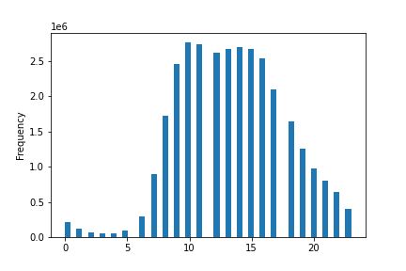
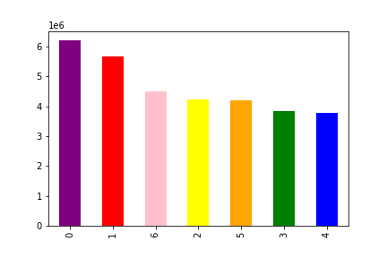

The histogram on the left shows that the busiest hours of the day are between 9-10am. The bar graph on the right shows that Sunday (day 0) is the busiest day for orders.
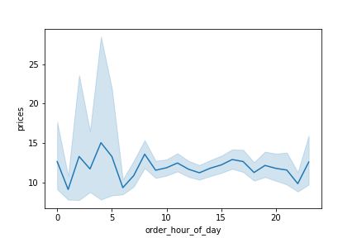
They also want to know whether there are particular times of the day when people spend the most money, as this might inform the type of products they advertise at these times.

It looks as though people may spend the most money between 2 and 3am.

Instacart has a lot of products with different price tags. Marketing and sales want to use simpler price range groupings to help direct their efforts.


Are there certain types of products that are more popular than others? The marketing and sales teams want to know which departments have the highest frequency of product orders.
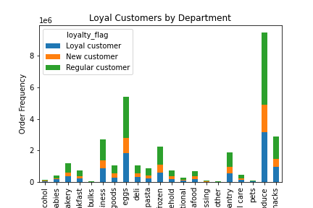

Produce is the highest selling department. Dairy/eggs and snacks are also high selling departments.

What is the distribution among users in regards to their brand loyalty?
Are there differences in ordering habits based on a customer's loyalty status?

Are there differences in ordering habits based on a customer's region?
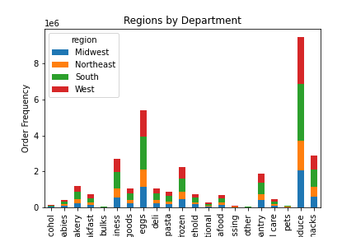

Is there a connection between age and family status in terms of ordering habits?
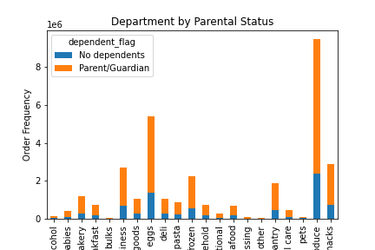
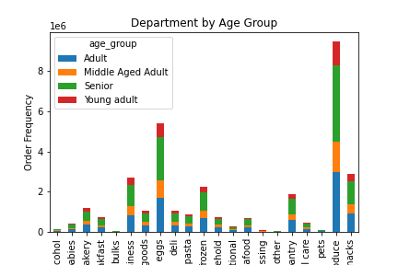

In the chart on the left, it shows that produce is bought mostly by those with dependents. The chart on the right confirms this, with at least half of the produce purchased by the age groups of adult and middle aged adult, which we can assume might have dependents.

What differences can you find in ordering habits of different customer profiles?
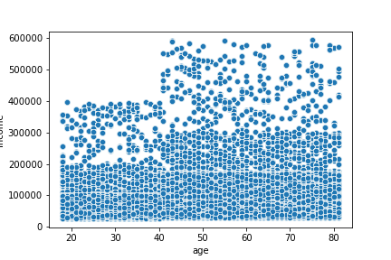
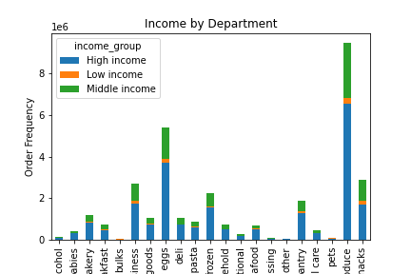

Customers aged 20-40 have less income than those aged 40-80. Produce remains the highest purchased good, no matter the income.

7. Recommendations
 | Title page

Recommendations

The sales team needs to know what the busiest days of the week and hours of the day are in order to schedule ads at times when there are fewer orders.

The histogram on the left shows that the busiest hours of the day are between 9-10am. The bar graph on the right shows that Saturday (day 0) is the busiest day for orders.

Recommendation: I would recommend scheduling ads between 12-6am on Tuesdays or Wednesdays.

They also want to know whether there are particular times of the day when people spend the most money, as this might inform the type of products they advertise at these times.

It looks as though people may spend the most money between 2 and 3am.
Recommendation: Target advertising between 2 and 3am.

Instacart has a lot of products with different price tags. Marketing and sales want to use simpler price range groupings to help direct their efforts.

Recommendation: It looks as thought most products are less than $15 dollars, so I would recommend finding a suitable price range.

Are there certain types of products that are more popular than others? The marketing and sales teams want to know which departments have the highest frequency of product orders.

Produce is the highest selling department. Dairy/eggs and snacks are also high selling departments.

Recommendation: Adverstising can be used to increase sales in the the worst selling departments (bulk, alcohol, pets).

What is the distribution among users in regards to their brand loyalty?
Are there differences in ordering habits based on a customer's loyalty status?

Recommendation: Introduce a loyalty program for the loyal customers. This will keep loyal customers and encourage new ones.

Are there differences in ordering habits based on a customer's region?

Recommendation: The midwest and the northeat have the least amount of sales. I would recommend increasing advertising in those regions to encourage new customers in those regions.

Is there a connection between age and family status in terms of ordering habits?

In the chart on the left, it shows that produce is bought mostly by those with dependents. The chart on the right confirms this, with at least half of the produce purchased by the age groups of adult and middle aged adult, which we can assume might have dependents.

Recommendation: Most customers are older adults. Offer student discounts to entice younger adults.

What differences can you find in ordering habits of different customer profiles?

Customers aged 20-40 have less income than those aged 40-80. Produce remains the highest purchased good, no matter the income.

Recommendation: Lower income spends the least amount of money. Offer a discount percentage after spending a certain amount.

